Tabelle1
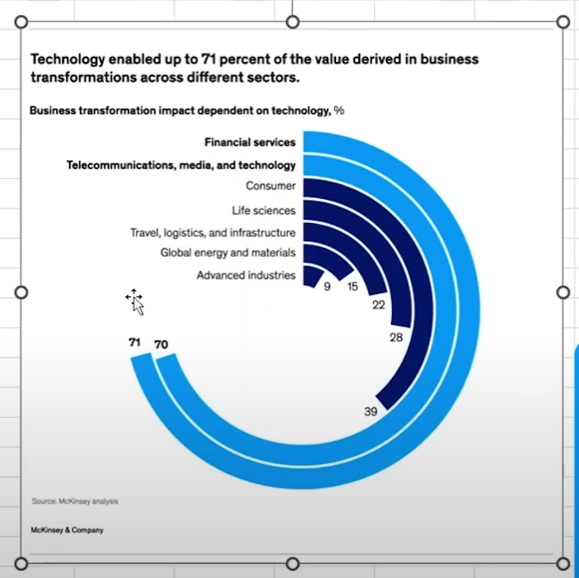
Technology enabled up to 71 percent of the value derived in business transformations across different sectors.
Sector | % | Helper
Advanced industries | 9% | 91%
Global energy and materials | 15% | 85%
Business tranformations impact dependent on technology, %
Travel, logistics, and infrastructure | 22% | 78%
71%
70%
39%
28%
22%
15%
9%
Financial Services
Telecommunication, Media & Technology
Consumer
Life Sciences
Travel, Logistics & Infrastructure
Global Energy & Materials
Advanced Industries
Life sciences | 28% | 72%
Consumer | 39% | 61%
Telecommunications, media, and te | 70% | 30%
Financial Services | 71% | 29%

Sheet1
Following s sharp decline in 2020, M&A activity in the machinery sector surpassed prepandemic levels in 2021 and 2022
Quarterly machinery sector M&A activity, number of deals
2018
2019
2020
2021
2022
2023
Year | Quarter | Divestiture | Merger or Acquisition
2018 | Q1 | 13 | 36
 | Q2 | 16 | 29
 | Q3 | 15 | 46
 | Q4 | 18 | 40
2019 | Q1 | 11 | 30
 | Q2 | 6 | 41
 | Q3 | 14 | 31
 | Q4 | 23 | 37
2020 | Q1 | 9 | 35
 | Q2 | 2 | 13
 | Q3 | 26 | 27
 | Q4 | 16 | 40
2021 | Q1 | 12 | 34
 | Q2 | 15 | 42
 | Q3 | 21 | 55
 | Q4 | 10 | 43
2022 | Q1 | 11 | 27
 | Q2 | 18 | 49
 | Q3 | 8 | 58
 | Q4 | 16 | 57
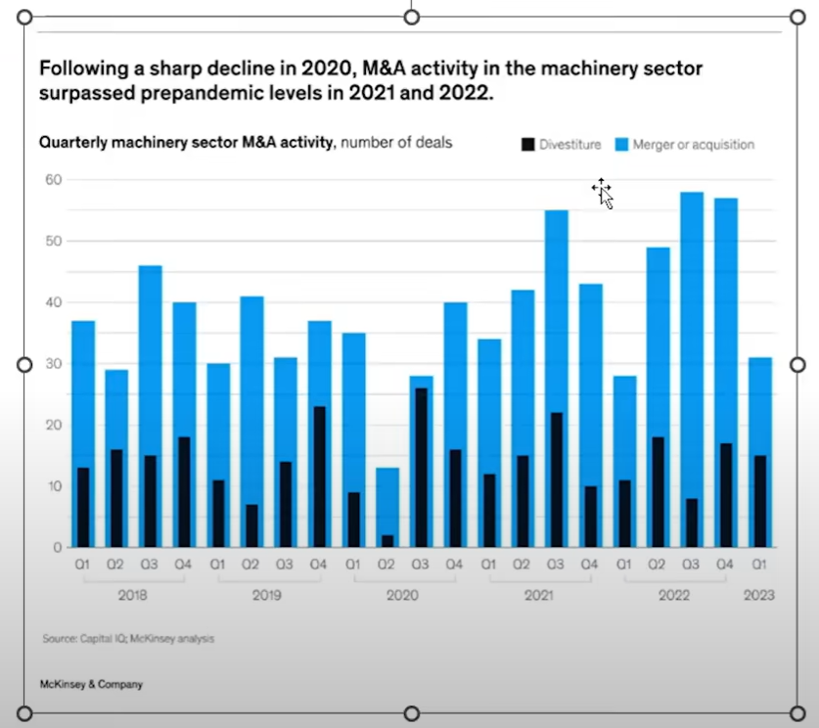
2023 | Q1 | 15 | 31

Sheet2
 | Entry level | Manager | Senior manager director | Vice president | Senior vice resident | C-suite
White Women | 30 | 28 | 27 | 24 | 22 | 20
Women of color | 17 | 12 | 9 | 7 | 5 | 4
Men of color | 17 | 17 | 15 | 13 | 12 | 13
White men | 35 | 42 | 50 | 56 | 61 | 62

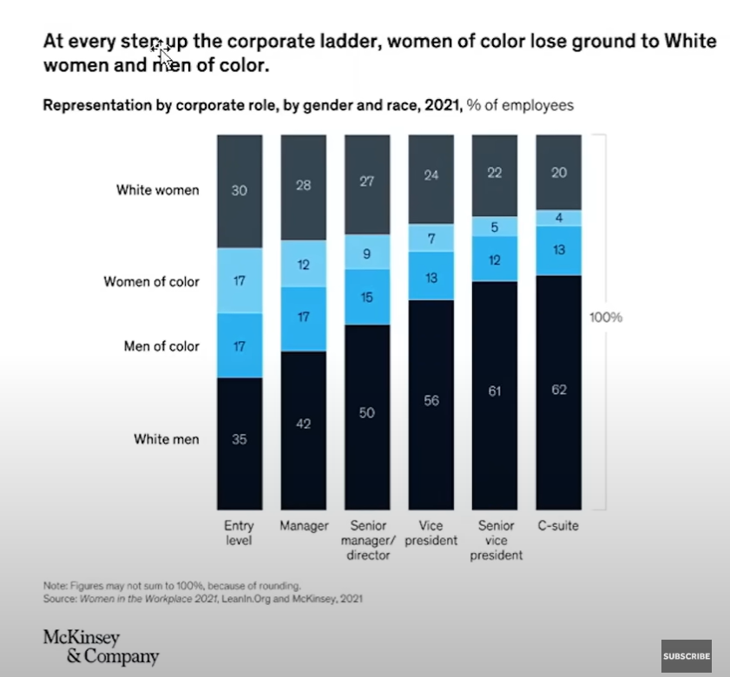
At every step up the corporate ladder, women of color lose ground to White women & men of color
Representation by corporate role, by gender and race, 2021, % of employees

100%

